Fixed and Variable expense
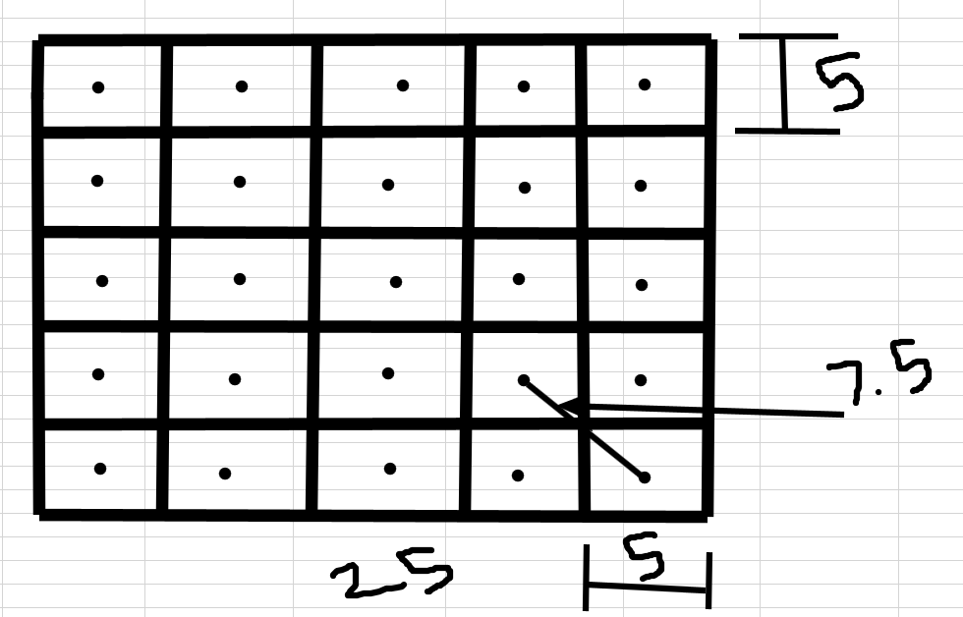
1 | Area of Banglore City | 741 SqKM
2 | Length wise Distance | 25*25Km
4 | No Of distribution points required | If 1 Disribution point will cover the area within the diameter of 5km of Diameter | 25
 |  | No of Distribution points required will be 25
5 | Cost we are spent on single DE per month is | 27k Approx.

6 | Order placed on Platform | 70% | on peak hours
7 | Total no of orders we are receiving per month is | 7,500,000.00
8 | On peak hours | 5,250,000.00 | Per month | All over India
 |  | 175,000.00 | Per Day | All over India
9 | Banglore Share | 24%
 |  | 1,800,000.00 | Per month
 |  | 60,000.00 | Per Day in banglore
 | On peak hours | 42,000.00 | Per Day
 | No of Peak hours 4
 | 12 to 1 | 10,500.00
 | 1 to 2 | 10,500.00
 | 7 to 8 | 10,500.00
 | 8 to 9 | 10,500.00
 | No of Distribution points | 25
 | New Unlocked orders | 1,080,000.00 | Per month-2022
 | Per Day unlocked orders | 36,000.00 | Per Day
 | Total orders(Previous and Unlocked) | 78,000.00 | Per Day

 | No Of Distribution points | 25
 | Orders per distribution points | 3,120.00 | Per day
 |  | 93,600.00 | Monthly

 |  | Fixed Expense
 | Per Sq feet rent in banglore Avg. | 65
1000 | 1 Disribution point will cover the area of 1000 sqft avg. | 65,000.00 | Per month rent for dist point
 | 25 | 1,625,000.00 | Per month rent for 25 distibution point
 | 5% rent Yeild | 1,706,250.00 | With Rent yeild
 | Initial Lease ammount per ditribution point | 100,000.00
 | 25 | 2,500,000.00 | One time investement for lease

 | Price of Single drone | 130,000.00
 | Quantity of drones required | 25
 | Final ammount needs to be invested for buy drone | 3,250,000.00

Drone Inputs
Cost of 1 drone | 130,000.00 | INR
Avg battery life | 3 | months
monthly maintenance cost | 6,500.00 | INR
Cost of 1 battery | 13,000.00 | INR

Per drone per month operational cost | 10,833
Per drone per month deliveries

No of Employees required per Dist point & Command Center
Miantenace | 2
Operator | 2
Command centre | 10
Toral | 110
Per Employee Costing Approx. | 30000 | Per month
Command Centre employee salary | 50000
Total | 500100

In Details

Food prepation time | 20 | min
Avg Drone speed | 40 | kmph
Travel time per km in Bangalore | 4.5 | min/km- Google
Conversion rate of potential orders | 60%
bangalore's share in India orders | 24%
Taclo's restaurant commission | 23% | 20-30%- Current Zommato
Taclo's delivery charges for customer | 10 | INR/km
Avg delivery charges (weighted avg over current order distribution) | 46 | INR
Peak hour orders | 70%
Peak hours | 4 | 12 pm - 2 pm & 7-9 pm
Total distribution points | 25
Avg weight of 1 food parcel | 0.9 | kg (assumed)
Carrying capacity of drone | 5 | kg
No of parcel's 1 drone can carry at a time | 5 | 5.5555555556
Drones required | 3504
Buffer Drones | 1752 | If any of the distribution facing malfunctioning , buffer drone required
 | 940 | Round Figure, Buffre Drones would be required over There
Total Drones Required | 4444
Cost of single Drone | 130,000 | INR
Cost of Operational Drones | 455,520,000 | INR
Cost of total drones | 577,720,000 | INR
Avg. Distance for drone per flight | 6 | km
Time for 1 flight | 9 | min | Per Flight
Flight time | 30 | min
flights in one charge | 3 | 3.3333333333
Charging time | 60 | min- Google search
Flight + Charge time | 90 | min
Deliveries in charge | 3.92
Deliveries in 1 hour by 1 drone | 2.61
Per drone per month operational cost | 10,833 | INR
Total operational cost (monthly) | 48,143,333 | INR
Area of Single distribution point | 1000 | sq ft
Rent in Bangalore/sq ft | 65 | INR- Per sqfeet
Rent of Dist points | 1,625,000 | INR
Area of command center | 5,000 | sq ft
Rent of command center per month | 325,000
No of Employees per Dist point | 4
Monthly salary of distribution point employee | 30,000 | INR
Total Monthly salary of distribution point employee | 3,000,000
No of Employees per command center | 10
Monthly salary of command center Employee | 50,000
Total Monthly salary of command center Employee | 500,000
Orders delivered per month by delivery executive | 425
Fixed salary of DE per month | 4,000 | INR
Per Order DE gets | 55 | INR
Per delivery dist travelled (weighted avg) | 3.9 | km
Per km salary of DE | 14.10 | INR
Avg Distance travelled by DE in new model | 1.6 | km
Per delivery combined charges of both DEs | 22.56 | INR
Revised combined DE charges per drone delivery | 55 | INR
DEs required per drone delivery | 2
One side dist of 1 delivery (weighted avg) | 0.8 | km
One side DE travel time | 3.6 | min
Deliveries by 1 DE in 1 hour | 8
DEs required per dist point | 30
Total DEs required | 756
Total fixed DE salary per month | 3,024,000
Total variable DE salary per month (avg) | 59,400,000
Total expenses per month | 116,017,333

Summary
 |  | Highlighted Summary

1 | Current Revenue | 69 | INR | Per order
2 | Avg Delivery Fees | 46 | INR | Per order
3 | Current Order count | 1,800,000 |  | Per month
4 | Current Order count | 60,000 |  | Per Day
5 | On peak hours | 42,000 |  | Per Day
6 | Late deliveries | 450,000 | 25% | Per Month
7 | Per Order DE gets | 55 | INR | Per order
8 | Total Revenue(Current) | 124,200,000 |  | Per month
9 | Orders From beyond distance of 5 Km | -

 |  | After Introducing Drone System
1 | Avg Delivery Fees | 46 | INR | Per Order
2 | New Order count(Excluding current) | 1,080,000 | 60% | Per month with YoY growth given in sheet
 | New Order count(Excluding current) | 36,000 |  | Per Day

3 | Per Order Revenue | 138
4 | No of Distribution points | 25
5 | No of Control Center | 1
6 | No of Drones required | 2815 | QTY
7 | Total cost required(Initial Investement) | 1,033,240,000 | INR
8 | Total Expense | 116,017,333 | Including DE salary(Fixed & variable, Monthly salary of Staffs) | Monthly
9 | Orders getting from beyond 5 km upto 10km | Approx. 60% of total orders
10 | Total Revenue generated Using drone | 149,040,000 | INR | Per month with YoY growth given in sheet
11 | Revenue growth | -15% | But Will be in Positive with YoY growth
12 | Combined revenue | 273,240,000 | Per Month

Order Beyond 5 KM Distance
6 | 40%
8 | 35%
7
9 | 20%
8
10 | 5%
9
Revenue with YoY growth
2022 | -82521333 | -55%
2023 | -58946707 | -33%
2024 | 1893736 | 1%
2025 | 46630459 | 15%
2026 | 149151155 | 36%
2027 | 223422832 | 45%

Revenue
Total Revenue(Current) | 124,200,000
Total Revenue generated Using drone | 149,040,000

